SP - MAIN PORTS RATES
NOL GROUP

APL RATE BROADCAST |  |  |  |  |  | PRIVILEDGED & CONFIDENTIAL
FAK |  |  |  |  |  | BASED ON Actual Vessel Departure Date

 |  |  | QUOTE REFERENCE: TA_SPAIN_MITIGATED
Validity: | 01/FEB/2019 -28/FEB/2019 |  |  |  | Barcelona, Valencia

RATES SUBJECT TO EBS (CODE FAF) - USD25/TEU
RATES SUBJECT TO LSF FOR CHINA, TAIWAN & HONG KONG - USD5/TEU

 |  |  |  |  | VALENCIA |  |  | BARCELONA
Region | Country | APL LocCode | Destination (CY) * | Currency | D20 | D40 / HC | SERVICE EX. VCE | D20 | D40 / HC | SERVICE EX. BCN | Surcharge Exceptions ***
China | China | XIA | Xiamen | USD | 125 | 150 | MX1 | 125 | 150 | MX1 | 'incl. CAF, BAF, BCS, SUEZ, ERS, subj. to origin and destination charges, DOCs, AMS and other per APL tariff
 | China | TSI | Qingdao | USD | 125 | 150 | MX2 | 125 | 150 | MX1
 | China | YAN | Shanghai - Yangshan | USD | 125 | 150 | MX2 | 125 | 150 | MX1
 | China | NGB | Ningbo | USD | 125 | 150 | MX2 | 150 | 150 | MX1
 | China | WHM | Huangpu | USD | 200 | 250 | MX2 | 150 | 250 | MX1
 | China | HSN | Xingang | USD | 200 | 300 | MX2 | 225 | 300 | MX1
 | China | DAI | Dalian | USD | 250 | 350 | MX2 | 275 | 425 | MX1
 | China | YAT | Yantian | USD | 125 | 150 | MX2 | 125 | 150 | MX1
 | China | NSS | Nansha New Port | USD | 125 | 150 | MX1 | 125 | 150 | MX1
HK | Hong Kong | HKG | Hong Kong | USD | 125 | 150 | MX2 | 125 | 200 | MX1
Far East | Singapore | SIN | Singapore | USD | 125 | 150 | MX2 | 125 | 200 | MX1 | 'incl. CAF, BAF, BCS, SUEZ, ERS, subj. to origin and destination charges, DOCs, AMS and other per APL tariff
 | Korea | PUS | Pusan | USD | 125 | 150 | MX1 | 125 | 150 | MX1
 | Taiwan | KAO | Kaohsiung | USD | 125 | 150 | MX2 | NQ | NQ | MX1
 | Malaysia | WP7 | Port Kelang - Westport | USD | 125 | 150 | MX1 | 125 | 150 | MX1
 | Malaysia | PSR | Pasir Gudang | USD | 275 | 350 | MX2 | 250 | 600 | MX1
 | Malaysia | PEN | Penang | USD | 300 | 425 | MX2 | 200 | 300 | MX1
 | Thailand | BKK | Bangkok | USD | 350 | 525 | MX2 | 425 | 500 | MX1
 | Thailand | LCB | Laem Chabang | USD | 350 | 375 | MX2 | 150 | 275 | MX1
 | Indonesia | JKT | Jakarta | USD | 400 | 450 | MX1 | 400 | 500 | MX1
 | Indonesia | SUR | Surabaya | USD | 350 | 500 | MX2 | 450 | 500 | MX1
 | Indonesia | SEM | Semarang | USD | 350 | 500 | MX2 | 450 | 550 | MX1
 | Philippines | MNL | Manila | USD | 475 | 700 | MX2 | 475 | 600 | MX1
 | Taiwan | KEE | Keelung | USD | 425 | 350 | MX2 | 425 | 400 | MX1
 | Indonesia | BLA | Belawan | USD | 350 | 450 | MX2 | 375 | 600 | MX1
 | Indonesia | PLM | Palembang | USD | 425 | 1,350 | MX2 | 475 | 1,550 | MX1
 | Indonesia | PND | Panjang | USD | 400 | 650 | MX2 | 425 | 800 | MX1
 | Vietnam | SGN | Saigon - Ho Chi Minh | USD | 400 | 425 | MX2 | 475 | 550 | MX1
 | Vietnam | HPZ | Haiphong | USD | 575 | 850 | MX2 | 625 | 925 | MX1
 | Vietnam | AT0 | Ho Chi Minh CATLAI | USD | 375 | 350 | MX2 | 350 | 450 | MX1
 | Vietnam | VPH | Phuoc Long | USD | 400 | 450 | MX2 | 475 | 550 | MX1
 | Japan | KOB | Kobe | USD | 375 | 550 | MX2 | 375 | 550 | MX1
 | Japan | TYO | Tokyo | USD | 425 | 600 | MX2 | 475 | 800 | MX1
 | Japan | NGO | Nagoya | USD | 425 | 600 | MX2 | 475 | 700 | MX1
 | Japan | YOK | Yokohama | USD | 400 | 600 | MX2 | 475 | 700 | MX1
India SC | Sri Lanka | CMB | Colombo | USD | 525 | 650 | MX2 | 675 | 975 | MX1 | incl. CAF, BAF, BCS, SUEZ, ERS, subj. to origin and destination charges, DOCs, AMS and other per APL tariff
Middle East | UAE | JEB | JEBEL ALI | USD | 325 | 400 | MX1 | 325 | 400 | MX1 | incl. CAF, BAF, BCS, SUEZ, ERS, subj. to origin and destination charges, DOCs, AMS and other per APL tariff
 | Saudi Arabia | JED | JEDDAH | USD | 475 | 675 | MX2 | 425 | 625 | MX1

General Notes ***
A. unless a surcharge has not clearly been declared "included" above, all surcharges to apply as per APL tariff valid at time of shipment
B. above rates are subject to destination terminals as well as doc fees & any other surcharges valid at time of shipment
C. above rates are EXCLUDING any port congestion fees
D. Hazardous cargo to all destinations, except cl. 1 & 7 - USD 100/unit
 | Cargo for direct discharge at Singapore
 |  | SIN Discharge cargo
 |  | PSA grp. 1 | On application
 |  | PSA grp. 2 & 3 | USD 100/per unit
 | Cargo transhipped via Singapore:
 |  | SIN transhipped cargo
 |  | PSA grp.1 | On application
 |  | PSA grp.2 | USD 100/ unit + SGD 500 /20' SGD 640 / 40'DC&40'HC SGD 780 / 45'DC
 |  | PSA grp.2S/2B/2F/2A | USD 100/per unit
 |  | PSA grp.3 | USD 100/per unit
 | In addition to the Hazardous Surcharge a Dangerous Goods Entry Surcharge will be applied per booking. This surcharge is based on the number of Dangerous Goods Entries (APTT Entries) that the booking contains at the moment of the IMO close of the vessel on which the cargo is loaded:
 |  | Dangerous Goods Entry Surcharge
 |  | 1 to 3 APTT Entries | No extra charge
 |  | 4 to 15 APTT Entries | US$ 50 per booking
 |  | 15+ APTT Entries | US$ 50 per booking + US$ 10 per APTT Entry starting from the 16th APTT Entry
E. Emission Control Areas (ECA) - clasification of mainports / outports in Europe for the purpose of LSF surcharge application:
 |  | Mainports | Outports |  | Ireland and N-Ireland
 |  | Antwerp, Gdansk, Hamburg, Le Havre, Rotterdam, Southampton etc. | Aalborg, Aarhus, Alesund, Belfast, Bergen, Bilbao, Copenhogen, Cork, Dublin, Fredericia, Gdynia Gijon, Gothenburg, Grangemouth, Greenock, Helsingborg, Helsinki, Kotka, Kristiansand, Oslo, Stavanger, Vigo, etc. |  | Belfast, Cork, Dubli
 |  | The table lists above are an example and LSF surcharge application is not limited to these ports only.

Rates offered are priviledged & confidential
Rates offered are subject to filing. Filing must be effected before container is received full on the quay in the loadport.
APL rate offers are governed by the APL Global Tariff AP1.
Shipment according to conditions tariff and B/L.
Freight prepaid/collect but subject to carrier's right to charge any and all extra charge

Rules and regulations are available via our APL website: www.apl.com
Apply for your own customized webpage APL HomePort®
Check out our feature: track@apl.com

MX1
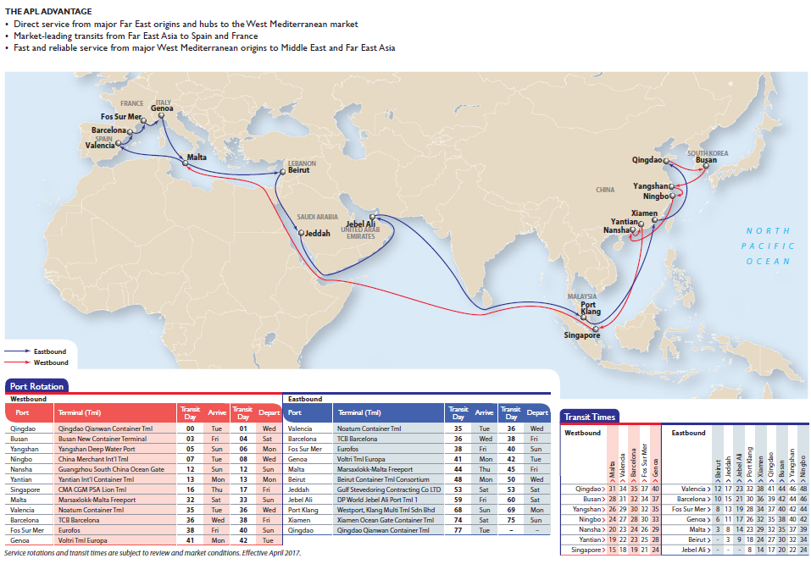

MX2
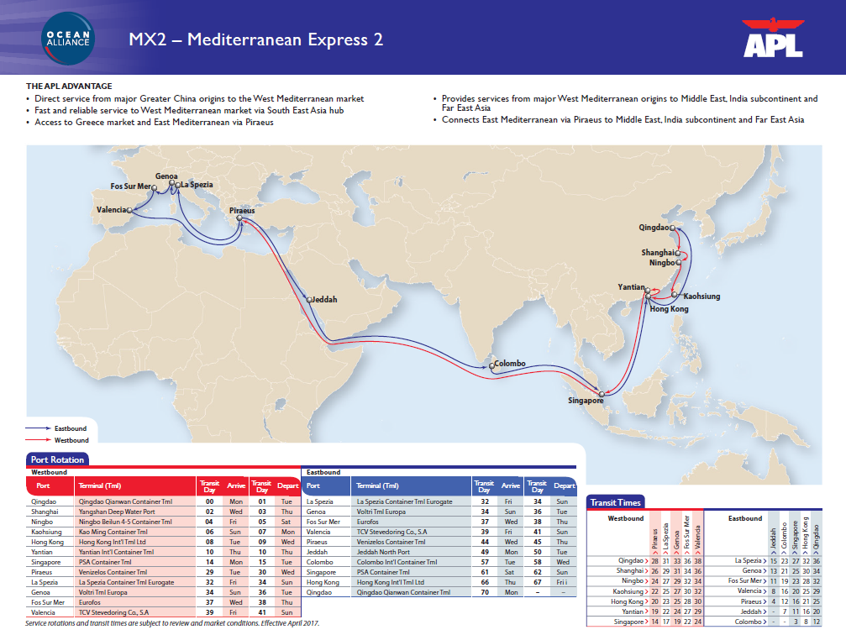

Gastos locales - Contacts


 |  |  |  | EXPORT LOCAL CHARGES

 |  |  |  | MEDITERRANEAN |  | NORTH
 |  |  |  | BARCELONA | VALENCIA | BILBAO | VIGO | GIJON
Charge code | Charge description | Base | Comments | Price | Price | Price | Price | Price
DOC | BL Fee | BL | Manual bkg or SI | 105 € | 105 € | 105 € | 105 € | 105 €
 |  |  | INTTRA bkg + SI | 45 € | 45 € | 45 € | 45 € | 45 €
 |  |  | HOMEPORT (Web) bkg + SI | 45 € | 45 € | 45 € | 45 € | 45 €
BRF | BL Reprint Fee | BL | Reprint | 55 € | 55 € | 55 € | 55 € | 55 €
BCC | BL Correction FEE | BL | 48h after sailing date | 20 € | 20 € | 20 € | 20 € | 20 €
TLX | Express Release | BL | Release w/o originals | 30 € | 30 € | 30 € | 30 € | 30 €
CSF | Seal Fee | Contr |  | 5 € | 5 € | 5 € | 5 € | 5 €
WHG | Wharfage (T3) | Contr | 20' | 23,60 € | 35,40 € | €3,1/mton + €2,79/teu | 32,19 € | €3,54/mton + €3,19/teu
 |  |  | 40' | 35,40 € | 53,10 € | - | 48,17 € | -
ADM | Wharfage Admin Fee | Contr |  | 5.50 € | 5.50 € | 5.50 € | 5.50 € | 5.50 €
THC | THC | Contr | Dry | 195 € | 195 € | 195 € | 195 € | 195 €
 |  |  | Reefer | 300 € | 300 € | 300 € | 300 € | 300 €
BNK | Bank Charges | % |  | 1% | 1% | 1% | 1% | 1%
CSC | Contr Reservation Fee - Dry & Reefer | Contr | Dry & RFR - If requested | 20 € | 20 € | 20 € | 20 € | 20 €
 | Contr Reservation Fee - Specials | Contr | Specials - compulsory | 20 € | 20 € | 20 € | 20 € | 20 €
 | Hazardous Contr Reservation Fee | Contr | HAZ cargo | 20 € | 20 € | 20 € | 20 € | 20 €
TMO | Hazardous Permit | Contr | HAZ cargo | 35 € | 35 € | 35 € | 35 € | 35 €
BKF | Booking Cancellation Fee | Contr | Dry | 150 € | 150 € | 150 € | 150 € | 150 €
 |  |  | Reefer/specials | 200 € | 200 € | 200 € | 200 € | 200 €
RAF | Reefer Admin Fee | Contr | RFR cargo | 25 € | 25 € | 25 € | 25 € | 25 €
PCL | Reefer Pre-cooling Fee | Contr | RFR cargo | 90 € | 90 € | 90 € | 90 € | 90 €
CBF | Cross Bkg Fee | BL | Cross-trade traffics | 50 € | 50 € | 50 € | 50 € | 50 €
CPF | Cross Payment Fee | BL | Cross-trade traffics | 50 € | 50 € | 50 € | 50 € | 50 €
SCF | Certificate issuance | Certificate |  | 15 € | 15 € | 15 € | 15 € | 15 €
ROLL | Contr Shifting | Contr | Roll by request | 60 € | 60 € | 60 € | 60 € | 60 €
RPOC | Positioning | Contr | 2 horiz moves | 86 € | 98 € | 84 € | 54 € | 60 €
VGW/VGL | VGM (weighting) | Contr | VGM Prior Gate-In | 41 € | 75 € | 33 € | 33 € | 33 €
 |  |  | VGM After Gate-In | 72 € | 195 € | - | - | -
 |  |  | VGM Late Trasnmission (VGL) | 100 € | 100 € | 100 € | 100 € | 100 €
 |  |  | Manual VGM Input (Excel) | 25 € | 25 € | 25 € | 25 € | 25 €
AMS | AMS Charge - China & Japan | Transmission | EDI & Mail | $30 | $30 | $30 | $30 | $30
 | AMS Charge - USA | Transmission | EDI & Mail | $40 | $40 | $40 | $40 | $40
AMA | AMS Amendment | Transmission | EDI & Mail | $40 | $40 | $40 | $40 | $40
PLU | Reefer Connection Freetime | Day | Calendar days | 5 days | 5 days | 5 days | 5 days | 5 days
PLU | Reefer Connections | Contr/Day | Calendar days | 85 € | 85 € | 85 € | 85 € | 85 €
STG | Storage Freetime (Dry & RFR) | Day | Calendar days | 7 days | 7 days | 7 days | 7 days | 7 days
 | Storage Freetime (Specials OT/FR/TK) |  |  |  |  | 3 days
STG | Storage (Dry & RFR) | TEU/Day | Calendar days | 2.09 € | 1.40 € | 8th - 30th day 2€ | 2.00 € | 3.00 €
 |  |  |  |  |  | >31st day 4€
 | Storage (Specials OT/FR/TK) |  |  |  |  | 4th - 14th day 3€
 |  |  |  |  |  | 15th - 34th day 6€
 |  |  |  |  |  | >35th day 12€
DEM/DET | Demurrage & Detentions Freetime (Dry & Specials OT/FR/TK) | Day | Calendar days | 15 days combined | 15 days combined | 15 days combined | 15 days combined | 15 days combined
 | Demurrage & Detentions Freetime (RFR) | Day | Calendar days | 7 days combined | 7 days combined | 7 days combined | 7 days combined | 7 days combined
DEM/DET | Demurrage & Detentions (Dry & Specials OT/FR/TK) | TEU/Day | 16th to 20th day | 10 € | 10 € | 10 € | 10 € | 10 €
 |  |  | >21th day | 32 € | 32 € | 32 € | 32 € | 32 €
 | Demurrage & Detentions (RFR) | Contr/Day | 8th to 14th day | 45 € | 45 € | 45 € | 45 € | 45 €
 |  |  | >15th day | 90 € | 90 € | 90 € | 90 € | 90 €

** T-3 / Port Tax subject to change according to Port Authority tariff
** Storage subject to change according to Port tariff

BL Late Collection fee - applicable for non-credit customers
8-14 days after vessel sailing 2% max $100 (for amounts bigger than 5.000$ max 100$)
15-21 days after vessel sailing 3% max $150 (for amounts bigger than 5.000$ max 150$)
22 days + after vessel sailing 3.5% max $200 (for amounts bigger than 5.700$ max 200$)
Note: Minimum charge of USD 20 covering all invoices where the 2% would be lower than USD 20

Customer Service Export |  |  |  |  | Telefono |  | Fax
 | Susana Rodriguez (CS Mgr) | bcn_export@apl.com |  |  | +34 93 2382335 |  | +34 93 3426459
 | Maria Jose Rodriguez | bcn_export@apl.com |  |  | +34 93 2382336 |  | +34 93 3426459
 | Beatriz Alonso | bcn_export@apl.com |  |  | +34 93 2382338 |  | +34 93 3426459
 | Pedro Rodriguez | bcn_export@apl.com |  |  | +34 93 2382337 |  | +34 93 3426459
BARCELONA
Dept. Comercial | Oriol Miralles | oriol.miralles@apl.com |  |  | +34 93 2382341 |  | +34 93 3426459
 | Victor Vilamajo | victor.vilamajo@apl.com |  |  | +34 93 2382325 |  | +34 93 3426459
 | Ivan Galvez | ivan.galvez-vallejos@apl.com |  |  | +34 93 2382326 |  | +34 93 3426459
VALENCIA
Dept. Comercial | Victor Hernani | victor.hernani@apl.com |  |  | +34 667653797
 | Elena Pertegaz | elena.pertegaz@apl.com |  |  | +34 667654212

VGM SOLAS COMPLIANCE
